101415000
ZHEJINAG BOSUER MOTION APPARATUS CO.,LTD.
SPARE PART CATALOGUE -MODEL: 两冲300-中木

IMPORTANT REMARKS:
1.Formulas have been set in this sheet.Please do not change any content or format,otherwise it will take long time for us to confirm.
2."QTY" means the qty of spare parts included in the respective kit."ORDER QTY" means the qty of spare parts you want to order,which needs to be filled in the blank.
3.If you need additional spare parts,please fill in the blanks "SPECIFICATION" ,"ENGLISH NAME",and "ORDER QTY" in the "ADDITIONAL SPARE PARTS REQUIRED"column.
4.(For BSE ref. only)本清单配件状态根据订单号：101415000
5.更新日期：2026-01

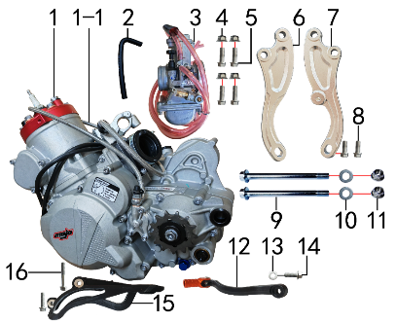
DIAGRAM | ENGINE
 | POS. | ERP CODE | CHINESE NAME | ENGLISH NAME | UNIT | QTY | ORDER QTY | REMARKS
 | 1 | 30.124.6100 | 两冲300发动机 | engine | 台 | 1
 | 1-1 | 30.531.0800 | 离合器分离器组合 | clutch lever system | 套 | 1
 | 2 | 30.168.0090 | 汽油管(BSE-80) | fuel pipe | 根 | 1
 | 3 | 30.134.1800 | 化油器 | carburetor | 个 | 1
 | 4 | 30.818.0020 | 全金属六角法兰面锁紧螺母GB6187 | lock nut M8 | 个 | 4
 | 5 | 30.801.0178 | 内梅花六角法兰面螺栓 | bolt M8x25 | 个 | 4
 | 6 | 30.212.5000 | 吊片 | engine hanger L | 只 | 1
 | 7 | 30.212.5010 | 吊片 | engine hanger R | 只 | 1
 | 8 | 30.801.0168 | 内梅花六角法兰面螺栓 | bolt M8x20 | 个 | 2
 | 9 | 30.801.0740 | 发动机下吊挂六角法兰螺栓 | bolt M10x1.25x117 | 个 | 2
 | 10 | 30.825.0120 | 平垫圈GB97 | flat washer Φ10xΦ18x1.5 | 个 | 2
 | 11 | 30.818.0030 | 全金属六角法兰面锁紧螺母GB6187 | lock nut M10x1.25 | 个 | 2
 | 12 | 30.130.0870 | 挂档杆 | gear shifter | 根 | 1
 | 13 | 30.825.0060 | 平垫圈GB97 | flat washer Φ6xΦ18x1.5 | 个 | 1
 | 14 | 30.801.0048 | 内梅花六角法兰面螺栓 | bolt M6x16 | 个 | 1
 | 15 | 30.303.0200 | 链罩 | engine chain guard | 个 | 1
 | 16 | 30.801.0098 | 内梅花六角法兰面螺栓 | bolt M6x40 | 个 | 1

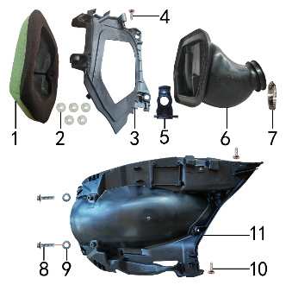
DIAGRAM | AIR FILTER SYSTEM
 | POS. | ERP CODE | CHINESE NAME | ENGLISH NAME | UNIT | QTY | ORDER QTY | REMARKS
 | 1 | 30.151.0080 | 空滤器海绵支架 | air filter sponge bracket | 个 | 1
 | 2 | 30.758.0060 | 卡扣胶塞 | buckle plug | 只 | 5
 | 3 | 30.149.0100 | 空滤器前盖 | air filter front cover | 个 | 1
 | 4 | 30.810.0160 | 十字槽盘头自攻螺钉GB845 | screw 5.5x20 | 个 | 1
 | 5 | 30.758.0070 | 空滤卡扣 | air filter buckle | 只 | 1
 | 6 | 30.145.0300 | 空滤器喉管 | air filter rubber connector | 个 | 1
 | 7 | 30.148.0130 | 不锈钢抱箍 | stainless hoop | 个 | 1
 | 8 | 30.801.0060 | 六角法兰螺栓GB5787 | bolt M6x25 | 个 | 2
 | 9 | 30.825.0060 | 平垫圈GB97 | flat washer Φ6xΦ18x1.5 | 个 | 2
 | 10 | 30.810.0120 | 十字槽盘头自攻螺钉GB845 | screw 4.8x16 | 个 | 2
 | 11 | 30.724.0350 | 内挡 | inner plastic | 块 | 1

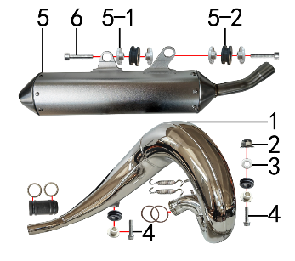
DIAGRAM | EXHAUST SYSTEM
 | POS. | ERP CODE | CHINESE NAME | ENGLISH NAME | UNIT | QTY | ORDER QTY | REMARKS
 | 1 | 30.156.3500 | 排气管 | exhaust pipe | 根 | 1
 | 2 | 30.818.0010 | 全金属六角法兰面锁紧螺母GB6187 | lock nut M6 | 个 | 1
 | 3 | 30.825.0060 | 平垫圈GB97 | flat washer Φ6xΦ18x1.5 | 个 | 1
 | 4 | 30.801.0068 | 内梅花六角法兰面螺栓 | bolt M6x25 | 个 | 2
 | 5 | 30.155.1000 | 排气筒 | muffler | 个 | 1
 | 5-1 | 30.758.0210 | 橡胶塞铝衬套 | spacer | 只 | 4
 | 5-2 | 30.758.0200 | 橡胶塞 | rubber plug | 只 | 2
 | 6 | 30.807.0100 | 内六角圆柱头螺钉GB70.1 | bolt M6x30 | 个 | 2 |  | 排气筒2

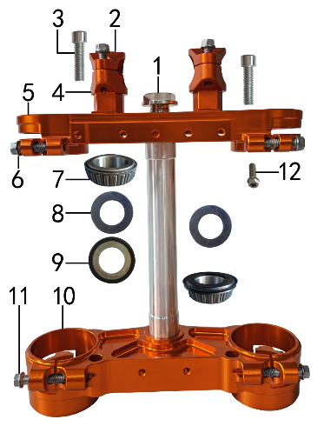
DIAGRAM | TRIPLE CLAMP SYSTEM
 | POS. | ERP CODE | CHINESE NAME | ENGLISH NAME | UNIT | QTY | ORDER QTY | REMARKS
 | 1 | 30.831.0100 | 方向柱锁紧螺栓 | steering axle nut | 个 | 1
 | 2 | 30.508.0750 | 上压块 | handle bar pad, up | 块 | 2
 | 3 | 30.807.0370 | 内六角圆柱头螺钉GB70.1 | bolt M10x1.25x35 | 个 | 2
 | 4 | 30.509.0950 | 下压块 | handle bar pad, bottom | 块 | 2
 | 5 | 30.506.0800 | 上联板 | triple clamp, up | 块 | 1
 | 6 | 30.801.0198 | 内梅花六角法兰面螺栓 | bolt M8x35 | 个 | 4
 | 7 | 30.839.0120 | 锥度轴承 | needle bearing | 套 | 2
 | 8 | 30.825.1150 | 平垫圈 | flat washer Φ30.5xΦ42x1 | 个 | 2
 | 9 | 30.832.0015 | 防尘盖 | dust seal | 个 | 1
 | 10 | 30.507.0900 | 下联板 | triple clamp, bottom | 块 | 1
 | 11 | 30.801.0218 | 内梅花六角法兰面螺栓 | bolt M8x45 | 个 | 4
 | 12 | 30.801.0178 | 内梅花六角法兰面螺栓 | bolt M8x25 | 个 | 5

DIAGRAM | FRAME SYSTEM
 | POS. | ERP CODE | CHINESE NAME | ENGLISH NAME | UNIT | QTY | ORDER QTY | REMARKS
 | 1 | 30.201.4501 | 车架(两冲300) | frame(black) | 个 | 1
 | 2 | 30.756.0110 | 橡胶堵头(TS) | plug | 个 | 2
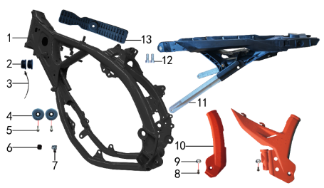
 | 3 | 30.901.0100 | 扎带(带圆头) | tie | 根 | 1
 | 4 | 30.755.0065 | 橡胶缓冲套 | rubber cushion collar | 只 | 2
 | 5 | 30.807.0070 | 内六角圆柱头螺钉GB70.1 | bolt M6x16 | 个 | 2
 | 6 | 30.756.0270 | 堵头 | plug | 个 | 1
 | 7 | 30.756.0260 | 堵头 | plug | 个 | 1
 | 8 | 30.813.0005 | 不锈钢内六角半圆头 | bolt M5x12 | 个 | 2
 | 9 | 30.856.0478 | 台阶衬套(BK250水泵护罩TY) | spacer | 个 | 2
 | 10 | 30.707.0100 | 车架保护片 | frame protection | 付 | 1
 | 11 | 30.443.0500 | 铝后尾架 | alloy subframe | 个 | 1
 | 12 | 30.807.0160 | 内六角圆柱头螺钉GB70.1 | bolt M8x20 | 个 | 2
 | 13 | 30.755.0060 | 橡胶缓冲块 | buffer rubber block | 只 | 1

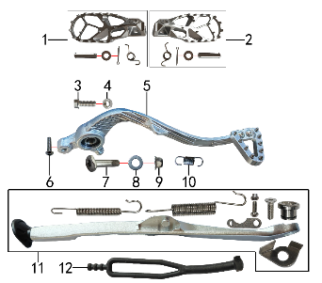
DIAGRAM | FRAME SPARE PARTS
 | POS. | ERP CODE | CHINESE NAME | ENGLISH NAME | UNIT | QTY | ORDER QTY | REMARKS
 | 1 | 30.448.0200 | 脚蹬 | footpeg L | 套 | 1
 | 2 | 30.448.0210 | 脚蹬 | footpeg R | 套 | 1
 | 3 | 30.801.0188 | 内梅花六角法兰面螺栓 | bolt M8x25 | 个 | 1
 | 4 | 30.822.0050 | 六角螺母GB6170 | nut M8 | 个 | 1
 | 5 | 30.528.0051 | 铝脚刹杆 | foot pedal | 根 | 1
 | 6 | 30.806.0060 | 内六角平圆头螺钉GB70.2 | bolt M6x20 | 个 | 1
 | 7 | 30.801.0558 | 内梅花切边螺栓 | bolt M10x1.25x43 | 个 | 1
 | 8 | 30.825.0120 | 平垫圈GB97 | flat washer Φ10xΦ18x1.5 | 个 | 1
 | 9 | 30.818.0030 | 全金属六角法兰面锁紧螺母GB6187 | lock nut M10x1.25 | 个 | 1
 | 10 | 30.860.0110 | 脚刹杆弹簧 | brake pedal spring | 根 | 1
 | 11 | 30.449.0200 | 侧支架 | side stand | 套 | 1
 | 12 | 30.762.0100 | 边支撑拉胶 | side stand holder | 根 | 1

DIAGRAM | SWINGARM SYSTEM
 | POS. | ERP CODE | CHINESE NAME | ENGLISH NAME | UNIT | QTY | ORDER QTY | REMARKS
 | 1 | 30.439.0150 | KTM一体式铝平叉 | swingarm | 个 | 1
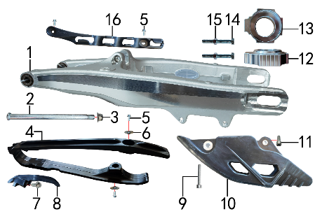
 | 2 | 30.854.0045 | 平叉轴 | swingarm axle | 根 | 1
 | 3 | 30.818.0060 | 全金属六角法兰面锁紧螺母GB6187 | lock nut M16 | 个 | 1
 | 4 | 30.759.0200 | 平叉护套 | chain slider | 个 | 1
 | 5 | 30.801.0040 | 六角法兰螺栓GB5787 | bolt M6x16 | 个 | 4
 | 6 | 30.856.0360 | 台阶衬套(歼2塑件) | spacer | 个 | 2
 | 7 | 30.801.0150 | 六角法兰螺栓GB5787 | bolt M8x16 | 个 | 1
 | 8 | 30.305.0500 | 链条压紧胶 | chain holder | 套 | 1
 | 9 | 30.807.0130 | 内六角圆柱头螺钉GB70.1 | bolt M6x45 | 个 | 1
 | 10 | 30.306.0250 | 调链器 | chain guide | 只 | 1
 | 11 | 30.807.0070 | 内六角圆柱头螺钉GB70.1 | bolt M6x16 | 个 | 1
 | 12 | 30.442.0400 | 铝千斤片 | alloy chain adjuster | 只 | 1
 | 13 | 30.442.0410 | 铝千斤片 | alloy chain adjuster | 只 | 1
 | 14 | 30.802.0110 | 六角头螺栓GB5783 | bolt M8x60 | 个 | 2
 | 15 | 30.822.0050 | 六角螺母GB6170 | nut M8 | 个 | 2
 | 16 | 30.848.0210 | 后刹油管卡扣 | rear brake pipe buckle | 只 | 1

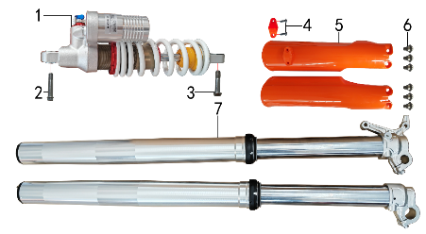
DIAGRAM | SUSPENSION SYSTEM
 | POS. | ERP CODE | CHINESE NAME | ENGLISH NAME | UNIT | QTY | ORDER QTY | REMARKS
 | 1 | 30.431.1980 | 后减震 | rear shock | 根 | 1
 | 2 | 30.806.0600 | 内梅花盘头螺栓10.9 | bolt M12x50x1.75 | 个 | 1
 | 3 | 30.801.0988 | 内梅花六角法兰面螺栓10.9 | bolt M12x55x1.75 | 个 | 1
 | 4 | 30.810.0500 | 六角法兰面自攻钉 | screw | 个 | 2
 | 5 | 30.434.0200 | 前减震保护片 | front fork guard | 付 | 1
 | 6 | 30.803.0500 | 内梅花六角法兰面台阶螺栓 | bolt | 个 | 6
 | 7 | 30.424.5900 | 前减震 | front fork | 副 | 1

DIAGRAM | OPERATING SYSTEM
 | POS. | ERP CODE | CHINESE NAME | ENGLISH NAME | UNIT | QTY | ORDER QTY | REMARKS
 | 1 | 30.617.0030 | 开关 | switch | 个 | 1
 | 2 | 30.756.0170 | 管塞 | tube plug | 个 | 2
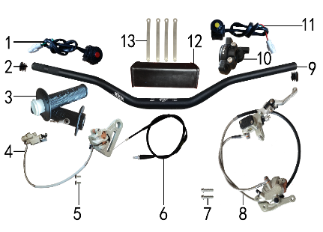
 | 3 | 30.503.0250 | 把套 | grips | 付 | 1
 | 4 | 30.519.2800 | 后碟刹器KTM款 | rear brake system | 套 | 1
 | 4-1 | 30.540.0320 | 上泵总成 | master cylinder | 套 | 1
 | 4-2 | 30.541.0330 | 下泵总成 | brake bump, bottom | 套 | 1
 | 4-3 | 30.543.0710 | 摩擦片 | brake pads | 副 | 1
 | 5 | 30.806.0030 | 内六角平圆头螺钉GB70.2 | bolt M6x14 | 个 | 2
 | 6 | 30.512.1610 | 油门线 | throttle cable | 根 | 1
 | 7 | 30.801.0188 | 内梅花六角法兰面螺栓 | bolt M8x30 | 个 | 2
 | 8 | 30.517.4681 | 前碟刹器KTM款 | front brake system | 套 | 1
 | 8-1 | 30.540.0330 | 上泵总成 | master cylinder | 套 | 1
 | 8-2 | 30.541.0340 | 下泵总成 | brake bump, bottom | 套 | 1
 | 8-3 | 30.533.0330 | 刹车手柄 | brake lever | 只 | 1
 | 8-4 | 30.543.0700 | 摩擦片 | brake pads | 副 | 1
 | 9 | 30.501.0200 | 铝车把 | alloy handle bar | 根 | 1
 | 10 | 30.505.0120 | 油门座 | throttle accelerator | 付 | 1
 | 11 | 30.617.0060 | 开关 | switch | 个 | 1
 | 12 | 30.706.0040 | 新款方形护胸 | handlebar pad | 个 | 1
 | 13 | 30.901.0090 | 扎带 | tie | 根 | 4

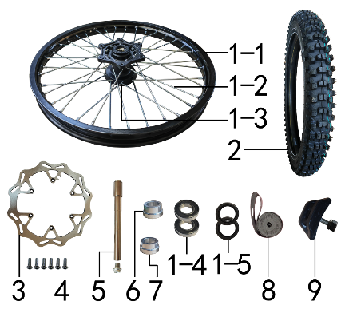
DIAGRAM | FRONT WHEEL SYSTEM
 | POS. | ERP CODE | CHINESE NAME | ENGLISH NAME | UNIT | QTY | ORDER QTY | REMARKS
 | 1 | 30.408.1350 | 前轮毂总成 | front wheel assy | 套 | 1
 | 1-1 | 30.403.1140 | 铝圈 | alloy rim | 个 | 1
 | 1-2 | 30.405.0195 | 辐条(含辐条螺母) | spoke & nipple | 根 | 18
 |  | 30.405.0196 | 辐条(含辐条螺母) | spoke & nipple | 个 | 18
 | 1-3 | 30.401.0220 | 前毂芯 | front hub | 个 | 1
 | 1-4 | 30.843.0150 | 全封闭轴承 | bearing | 只 | 2
 | 1-5 | 30.837.0540 | 鼓芯油封 | hub seal | 套 | 2
 | 2 | 30.411.2500 | NMS深齿轮胎 | front tire | 片 | 1
 | 3 | 30.526.0180 | 前碟刹盘 | front brake disc | 个 | 1
 | 4 | 30.806.0030 | 内六角平圆头螺钉GB70.2 | bolt M6x14 | 根 | 6
 | 5 | 30.851.0100 | 前轮轴 | front axle | 个 | 1
 | 6 | 30.855.1900 | 前轮左隔套 | front axle sleeve L | 个 | 1
 | 7 | 30.855.1920 | 前轮右隔套 | front axle sleeve R | 个 | 1
 | 8 | 30.404.0080 | 衬带 | belt | 个 | 1
 | 9 | 30.412.0020 | 内胎防滑锁 | tire lock | 个 | 1

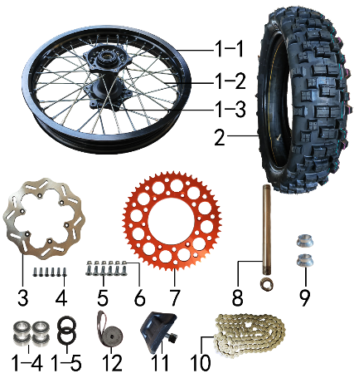
DIAGRAM | REAR WHEEL SYSTEM
 | POS. | ERP CODE | CHINESE NAME | ENGLISH NAME | UNIT | QTY | ORDER QTY | REMARKS
 | 1 | 30.409.1450 | 后轮毂总成 | rear wheel assy | 套 | 1
 | 1-1 | 30.403.1300 | 铝圈 | alloy rim | 个 | 1
 | 1-2 | 30.405.0470 | 辐条(含辐条螺母) | spoke & nipple | 根 | 18
 | 1-2 | 30.405.0471 | 辐条(含辐条螺母) | spoke & nipple | 根 | 18
 | 1-3 | 30.401.1220 | 后毂芯 | rear hub | 个 | 1
 | 1-4 | 30.843.0070 | 全封闭轴承 | bearing | 个 | 3
 | 1-5 | 30.837.0540 | 鼓芯油封 | hub seal |  | 2
 | 2 | 30.411.2560 | NMS深齿轮胎 | rear tire | 套 | 1
 | 3 | 30.527.0120 | 后碟刹盘 | rear disc | 片 | 1
 | 4 | 30.806.0030 | 内六角平圆头螺钉GB70.2 | bolt M6x14 | 个 | 6
 | 5 | 30.804.0050 | 内六角沉头螺钉GB70.3 | bolt M8x30 | 个 | 6
 | 6 | 30.818.0020 | 全金属六角法兰面锁紧螺母GB6187 | lock nut M8 | 个 | 6
 | 7 | 30.304.0700 | 链轮 | rear sprocket | 个 | 1
 | 8 | 30.851.0150 | 后轮轴 | rear axle | 根 | 1
 | 9 | 30.855.2070 | 后轮右隔套 | rear axle sleeve R | 个 | 2
 | 10 | 30.301.0530 | KMC链条 | chain, KMC | 根 | 1
 | 11 | 30.412.0050 | 内胎防滑锁 | tire lock | 个 | 1
 | 12 | 30.404.0060 | 衬带 | belt | 个 | 1

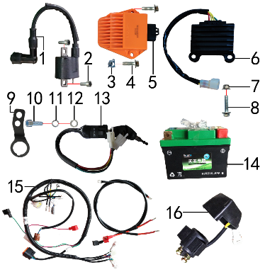
DIAGRAM | ELECTRIC PARTS
 | POS. | ERP CODE | CHINESE NAME | ENGLISH NAME | UNIT | QTY | ORDER QTY | REMARKS
 | 1 | 30.606.0200 | 高压包 | ignition coil | 个 | 1
 | 2 | 30.807.0010 | 内六角圆柱头螺钉GB70.1 | bolt M5x16 | 个 | 2
 | 3 | 30.823.0010 | 卡片螺母 | clip nut | 个 | 1
 | 4 | 30.801.0050 | 六角法兰螺栓GB5787 | bolt M6x20 | 个 | 2
 | 5 | 30.613.0400 | 点火器 | CDI | 个 | 1
 | 6 | 19.001.0030 | 整流器 | rectifier | 个 | 1
 | 7 | 30.818.0010 | 全金属六角法兰面锁紧螺母GB6187 | lock nut M6 | 个 | 1
 | 8 | 30.801.0060 | 六角法兰螺栓GB5787 | bolt M6x25 | 个 | 1
 | 9 | 30.232.0050 | 固定片 | fixing bracket | 片 | 1
 | 10 | 30.807.0350 | 内六角圆柱头螺钉GB70.1 | bolt M10x1.25x25 | 个 | 1
 | 11 | 30.826.0030 | 弹簧垫圈GB93 | washer Φ10 | 个 | 1
 | 12 | 30.825.0120 | 平垫圈GB97 | flat washer Φ10xΦ18x1.5 | 个 | 1
 | 13 | 30.620.0030 | 电门锁 | circuit switch | 个 | 1
 | 14 | 30.604.0500 | 锂电池 | lithium battery | 只 | 1
 | 15 | 30.601.0850 | 总线 | wire harness | 套 | 1
 | 16 | 30.609.0040 | 继电器 | relay | 个 | 1

DIAGRAM | FAIRINGS SYSTEM
 | POS. | ERP CODE | CHINESE NAME | ENGLISH NAME | UNIT | QTY | ORDER QTY | REMARKS
 | 1 | 30.801.0040 | 六角法兰螺栓GB5787 | bolt M6x16 | 个 | 6
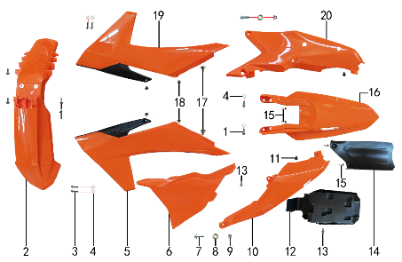
 | 2 | 30.716.1350 | 前挡泥板 | front fender | 块 | 1
 | 3 | 30.801.0048 | 内梅花六角法兰面螺栓 | bolt M6x16 | 个 | 4
 | 4 | 30.825.0060 | 平垫圈GB97 | flat washer Φ6xΦ18x1.5 | 个 | 6
 | 5 | 30.718.1600 | 前左侧板 | front left side | 块 | 1
 | 6 | 30.721.0600 | 中左侧板 | middle left side plate | 块 | 1
 | 7 | 30.801.0171 | 六角法兰螺栓GB5787 | bolt M8x25 | 个 | 2
 | 8 | 30.856.0475 | 台阶衬套(BK250后侧板) | spacer | 个 | 2
 | 9 | 30.818.0020 | 全金属六角法兰面锁紧螺母GB6187 | lock nut M8 | 个 | 2
 | 10 | 30.722.0900 | 后左侧板 | plastic, rear left side | 块 | 1
 | 11 | 30.810.0500 | 六角法兰面自攻钉 | screw | 个 | 2
 | 12 | 30.753.0200 | 电池盒 | battery box | 个 | 1
 | 13 | 30.801.0030 | 六角法兰螺栓GB5787 | bolt M6x12 | 个 | 1
 | 14 | 30.751.0150 | 后挡泥皮 | rear rubber mud | 块 | 1
 | 15 | 30.810.0160 | 十字槽盘头自攻螺钉GB845 | screw | 个 | 4
 | 16 | 30.717.1200 | 后挡泥板 | rear fender | 块 | 1
 | 17 | 30.805.0005 | 内梅花大盘带槽螺钉 | bolt M6x6 | 只 | 2
 | 18 | 30.813.0005 | 不锈钢内六角半圆头 | bolt M5x12 | 个 | 4
 | 19 | 30.719.1500 | 前右侧板 | front right side | 块 | 1
 | 20 | 30.723.0850 | 后右侧板 | rear right side, plastic | 块 | 1

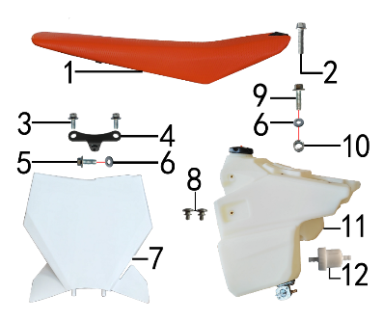
DIAGRAM | FAIRINGS SYSTEM
 | POS. | ERP CODE | CHINESE NAME | ENGLISH NAME | UNIT | QTY | ORDER QTY | REMARKS
 | 1 | 30.702.2356 | 座垫 | seat | 个 | 1
 | 2 | 30.801.0068 | 内梅花六角法兰面螺栓 | bolt M6x25 | 个 | 1
 | 3 | 30.801.0030 | 六角法兰螺栓GB5787 | bolt M6x12 | 个 | 2
 | 4 | 30.211.0280 | 记分牌支架 | number plate bracket | 个 | 1
 | 5 | 30.801.0040 | 六角法兰螺栓GB5787 | bolt M6x16 | 个 | 1
 | 6 | 30.825.0060 | 平垫圈GB97 | flat washer Φ6xΦ18x1.5 | 个 | 2
 | 7 | 30.715.0602 | 记分牌 | number plate | 块 | 1
 | 8 | 30.805.0005 | 内梅花大盘带槽螺钉 | bolt M6x6 | 只 | 2
 | 9 | 30.801.0050 | 六角法兰螺栓GB5787 | bolt M6x20 | 个 | 1
 | 10 | 30.856.0270 | 摇臂拉杆连接外衬套 | spacer, linkage | 个 | 1
 | 11 | 30.710.0500 | 油壶 | fuel tank | 个 | 1
 | 12 | 30.143.0010 | 油滤器 | oil filter | 个 | 1

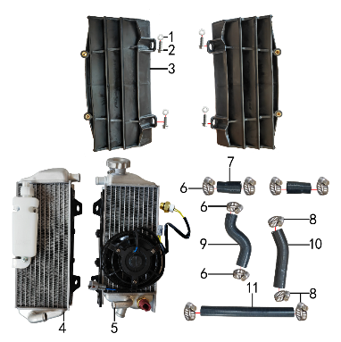
DIAGRAM | COOLING SYSTEM
 | POS. | ERP CODE | CHINESE NAME | ENGLISH NAME | UNIT | QTY | ORDER QTY | REMARKS
 | 1 | 30.825.0060 | 平垫圈GB97 | flat washer Φ6xΦ18x1.5 | 个 | 4
 | 2 | 30.801.0048 | 内梅花六角法兰面螺栓 | bolt M6x16 | 个 | 4
 | 3 | 30.763.0100 | 导风板 | radiator protection | 付 | 1
 | 4 | 30.163.0120 | 水箱(左) | water tank L | 只 | 1
 | 5 | 30.163.0130 | 水箱(右) | water tank R | 只 | 1
 | 6 | 30.148.0090 | 不锈钢抱箍 | stainless hoop | 个 | 4
 | 7 | 30.167.0165 | 硅胶管 | silicone hose | 根 | 2
 | 8 | 30.148.0080 | 不锈钢抱箍 | stainless hoop | 个 | 6
 | 9 | 30.167.0400 | 硅胶管 | silicone hose | 根 | 1
 | 70 | 30.167.0410 | 硅胶管 | silicone hose | 根 | 1
 | 11 | 30.167.0420 | 硅胶管 | silicone hose | 根 | 1

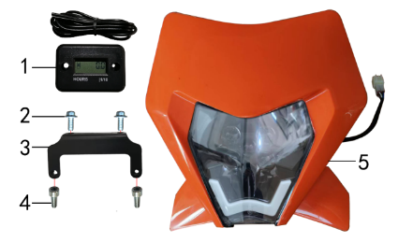
DIAGRAM | HEADLIGHT
 | POS. | ERP CODE | CHINESE NAME | ENGLISH NAME | UNIT | QTY | ORDER QTY | REMARKS
 | 1 | 30.629.0010 | 数显计时器 | hour meter | 个 | 1
 | 2 | 30.801.0040 | 六角法兰螺栓GB5787 | bolt M6x16 | 个 | 2
 | 3 | 30.243.0570 | 支架 | bracket | 个 | 1
 | 4 | 30.807.0070 | 内六角圆柱头螺钉GB70.1 | bolt M6x16 | 个 | 2
 | 6 | 30.616.0480 | 大灯 | headlight | 套 | 1

ADDITIONAL SPARE PARTS REQUIRED | POS. | ERP CODE | CHINESE NAME | ENGLISH NAME | UNIT | QTY | ORDER QTY | REMARKS
 | 1 | 30.790.7802 | 513透明膜贴花 | sticker | 套 | 1
 | 2 | 30.168.0030 | 汽油管 | gasline hose | 米 | 0.7
 | 3 | 30.168.0070 | 汽油管 | gasline hose | 米 | 0.3
 | 4 | 30.835.0010 | 油管卡簧 | oil hose circlip | 个 | 6
 | 5 | 30.835.0030 | 油管卡簧 | oil hose circlip | 个 | 1
 | 6 | 30.902.0030 | 铝牌 | alloy VIN plate | 块 | 1
 | 7 | 30.829.0070 | 抽芯铆钉 | blind rivet | 只 | 2
 | 8 | 30.908.0405 | 包装铁架 | packing steel frame | 套 | 1
 | 9 | 30.910.0755 | 整车包装外箱 | packing box | 个 | 1
 | 10 | 30.912.0640 | 底板 | packing plate | 片 | 1
 | 11 | 30.706.0100 | 胶棉布(新材料) | handle bar stiker | 张 | 1
 | 12 | 30.710.5000 | 配比壶 | antifreeze | 个 | 0.14

